Table 2
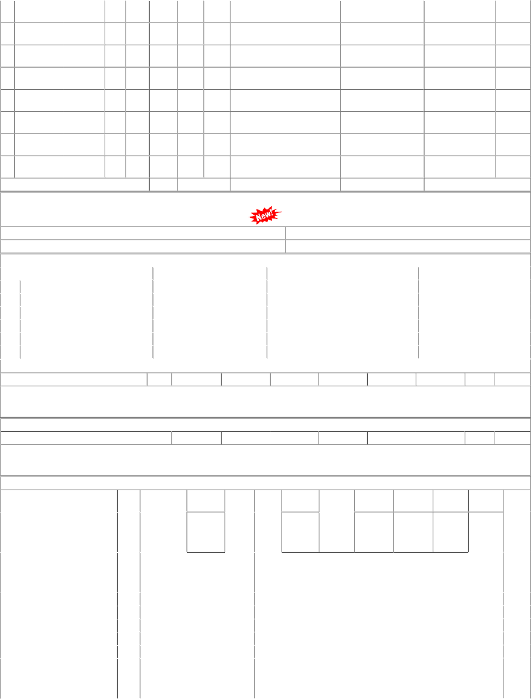
62 PRTN-CW 64 RTM-DL 65 BRC-ELS 65 BRC-ELS 65 BRC-ELS 65 BRC-ELS 69 BRCMEMU 72 PRTN-NG TOT Total available |  | 51 10 62 ( Closed ) 72 10 64 61 10 65 63 10 61 ( Closed ) 66 10 65 ( Closed ) 63 70 65 ( Closed ) 64 10 69 ( Closed ) 45 10 65 ( Closed ) AL( CONSUMPTION ): Stock of selected Stock 2023.800 |  |  |  | 50 0 0 0 750 400 0 0 0 0 0 0 350 100 0 0 0 0 0 0 0 0 0 0 0 0 0 0 0 0 0 0 15589 8016 item in Digit Qty Kgs. |  | 0 0 0 0 250 200 0 0 0 0 0 0 0 0 0 0 0 0 0 0 0 0 0 0 0 0 0 0 0 0 0 0 5633 7409 al Ledgers UN-COVERED |  | 0 0 0 0 400 600 0 400 (18) 0 0 0 0 0 0 0 0 0 0 0 0 0 0 0 0 0 0 0 0 0 0 0 0 10320(Cat-10, MDP) 13158 (15.3 months) maintained by Users / Consignees of Western Stock Value 120892.85 DUES DETAILS |  |  |  |  |  |  |  |  |  |  | 31/08/19 45.74 12/09/14 Kgs. 14/07/22 64.12 14/07/22 Kgs. 62.26 Kgs. 11/12/20 62.26 24/04/20 Kgs. 12/01/06 8.00 Kgs. 62.26 Kgs. 62.26 Kgs. 17/08/13 34.48 18/10/12 Kgs. Railway in UDM
Depot |  |  | Demand No. |  |  | Reg.Date |  | Due Qty |  |  | Unit |  | Type |  | File/Tender No. |  |  |  | Due Date |  |  |  | Remarks
02 | PL-CR |  | 0223013081 |  |  | 2023-01-02 |  | 3666.333 |  |  | Kgs. |  | SRM |  | 04231778
21 | SBI-GSD |  | 2123013081 |  |  | 2023-01-02 |  | 3701.667 |  |  | Kgs. |  | SRM |  | 04231778
28 | BVPW |  | 2823013081 |  |  | 2023-01-02 |  | -1 |  |  | Kgs. |  | SRM |  | 04231778
61 | DHD-L |  | 6123013081 |  |  | 2023-01-02 |  | 2033.667 |  |  | Kgs. |  | SRM |  | 04231778
64 | RTM-DL |  | 6423013081 |  |  | 2023-01-02 |  | 166.333 |  |  | Kgs. |  | SRM |  | 04231778
65 | BRC-ELS |  | 6523013081 |  |  | 2023-01-02 |  | -1 |  |  | Kgs. |  | SRM |  | 04231778
P.O.No./Vendor Name P.O.No./Vendor Name P.O.No./Vendor Name Sr |  |  |  |  |  | RLY.BOARD INDENT CO Sr Depot AI Rate NO COVERAGE COVERED DUE Sr Depot AI Rate NO COVERED DUES ORDERS PLACED DUR Depot AI Rate PO Un |  |  |  |  | VERAGE DETAILS PO Qty Unit Due FOR THIS ITEM S DETAILS PO Qty Unit Due FOR THIS ITEM ING LAST 3 YEARS it Canc Rej. Qty Recd Qty |  |  |  |  |  |  | Qty Qty Org.D | Start DP Start Dp P Start DP |  |  | Dely.Dt Dem.No. Dely.Dt Dem.No. Ext.DP PO
 |  |  |  |  |  |  |  |  | Qty |  |  | Qty |  |  |  |  |  |  |  |  |  |  |  | Status
P.O.No.77221171200365 dt.19/07/22 on M/s.PRAVIN AND COMPANY, AHMEDABAD PO-CAT:[ Reg ] |  |  |  | 001 | VTA-DL |  | 89.50 |  | 1000 | Kgs. |  | 0 |  | 0 |  | 1000 | 2022-08-18 |  |  |  |  | 2022-08-18 |  | OP
P.O.No.61221410201008 dt.18/07/22 on M/s.PARTH ENTERPRISE-AHMEDABAD PO-CAT:[ Reg ] |  |  |  | 001 | DHD-L |  | 85.00 |  | 600 | Nos. |  | 0 |  | 0 |  | 600 | 2022-08-10 |  |  |  |  | 2022-08-10 |  | OP
P.O.No.04211778201406 |  |  |  | 001 | PL-CR |  | 63.63 |  | 5850 | Kgs. |  | 0 |  | 0 |  | 5850 | 2022-06-08 |  |  | 2022-04-01 |  | 2022-07-31 |  | OP
dt.23/03/22 on M/s.HETAL IMPEX, MUMBAI PO-CAT:[ |  |  |  | 003 | BVPW |  | 63.63 |  | 10675 | Kgs. |  | 0 |  | 0 |  | 10650 | 2022-06-08 |  |  | 2022-04-01 |  | 2022-07-31 |  | OP
Reg ] |  |  |  | 004 | DHD-L |  | 63.63 |  | 2275 | Kgs. |  | 0 |  | 0 |  | 2250 | 2022-06-08 |  |  | 2022-04-01 |  | 2022-07-31 |  | OP
 |  |  |  | 005 | RTM-DL |  | 63.63 |  | 600 | Kgs. |  | 0 |  | 0 |  | 600 | 2022-06-08 |  |  | 2022-04-01 |  | 2022-07-11 |  | OP
 |  |  |  | 006 | BRCMEMU |  | 63.63 |  | 88 | Kgs. |  | 0 |  | 0 |  | 0 | 2022-06-08 |  |  | 2022-04-01 |  | 2022-07-31 |  | OP
P.O.No.52221064100311 dt.02/03/22 on M/s.SIDDHI VINAYAK ENTERPRISES- MUMBAI PO-CAT:[ Reg ] |  |  |  | 001 | PL-CR |  | 89.18 |  | 1000 | Kgs. |  | 0 |  | 0 |  | 1000 | 2022-03-17 |  |  |  |  | 2022-03-17 |  | OP

